Contracted Inpatient Summary
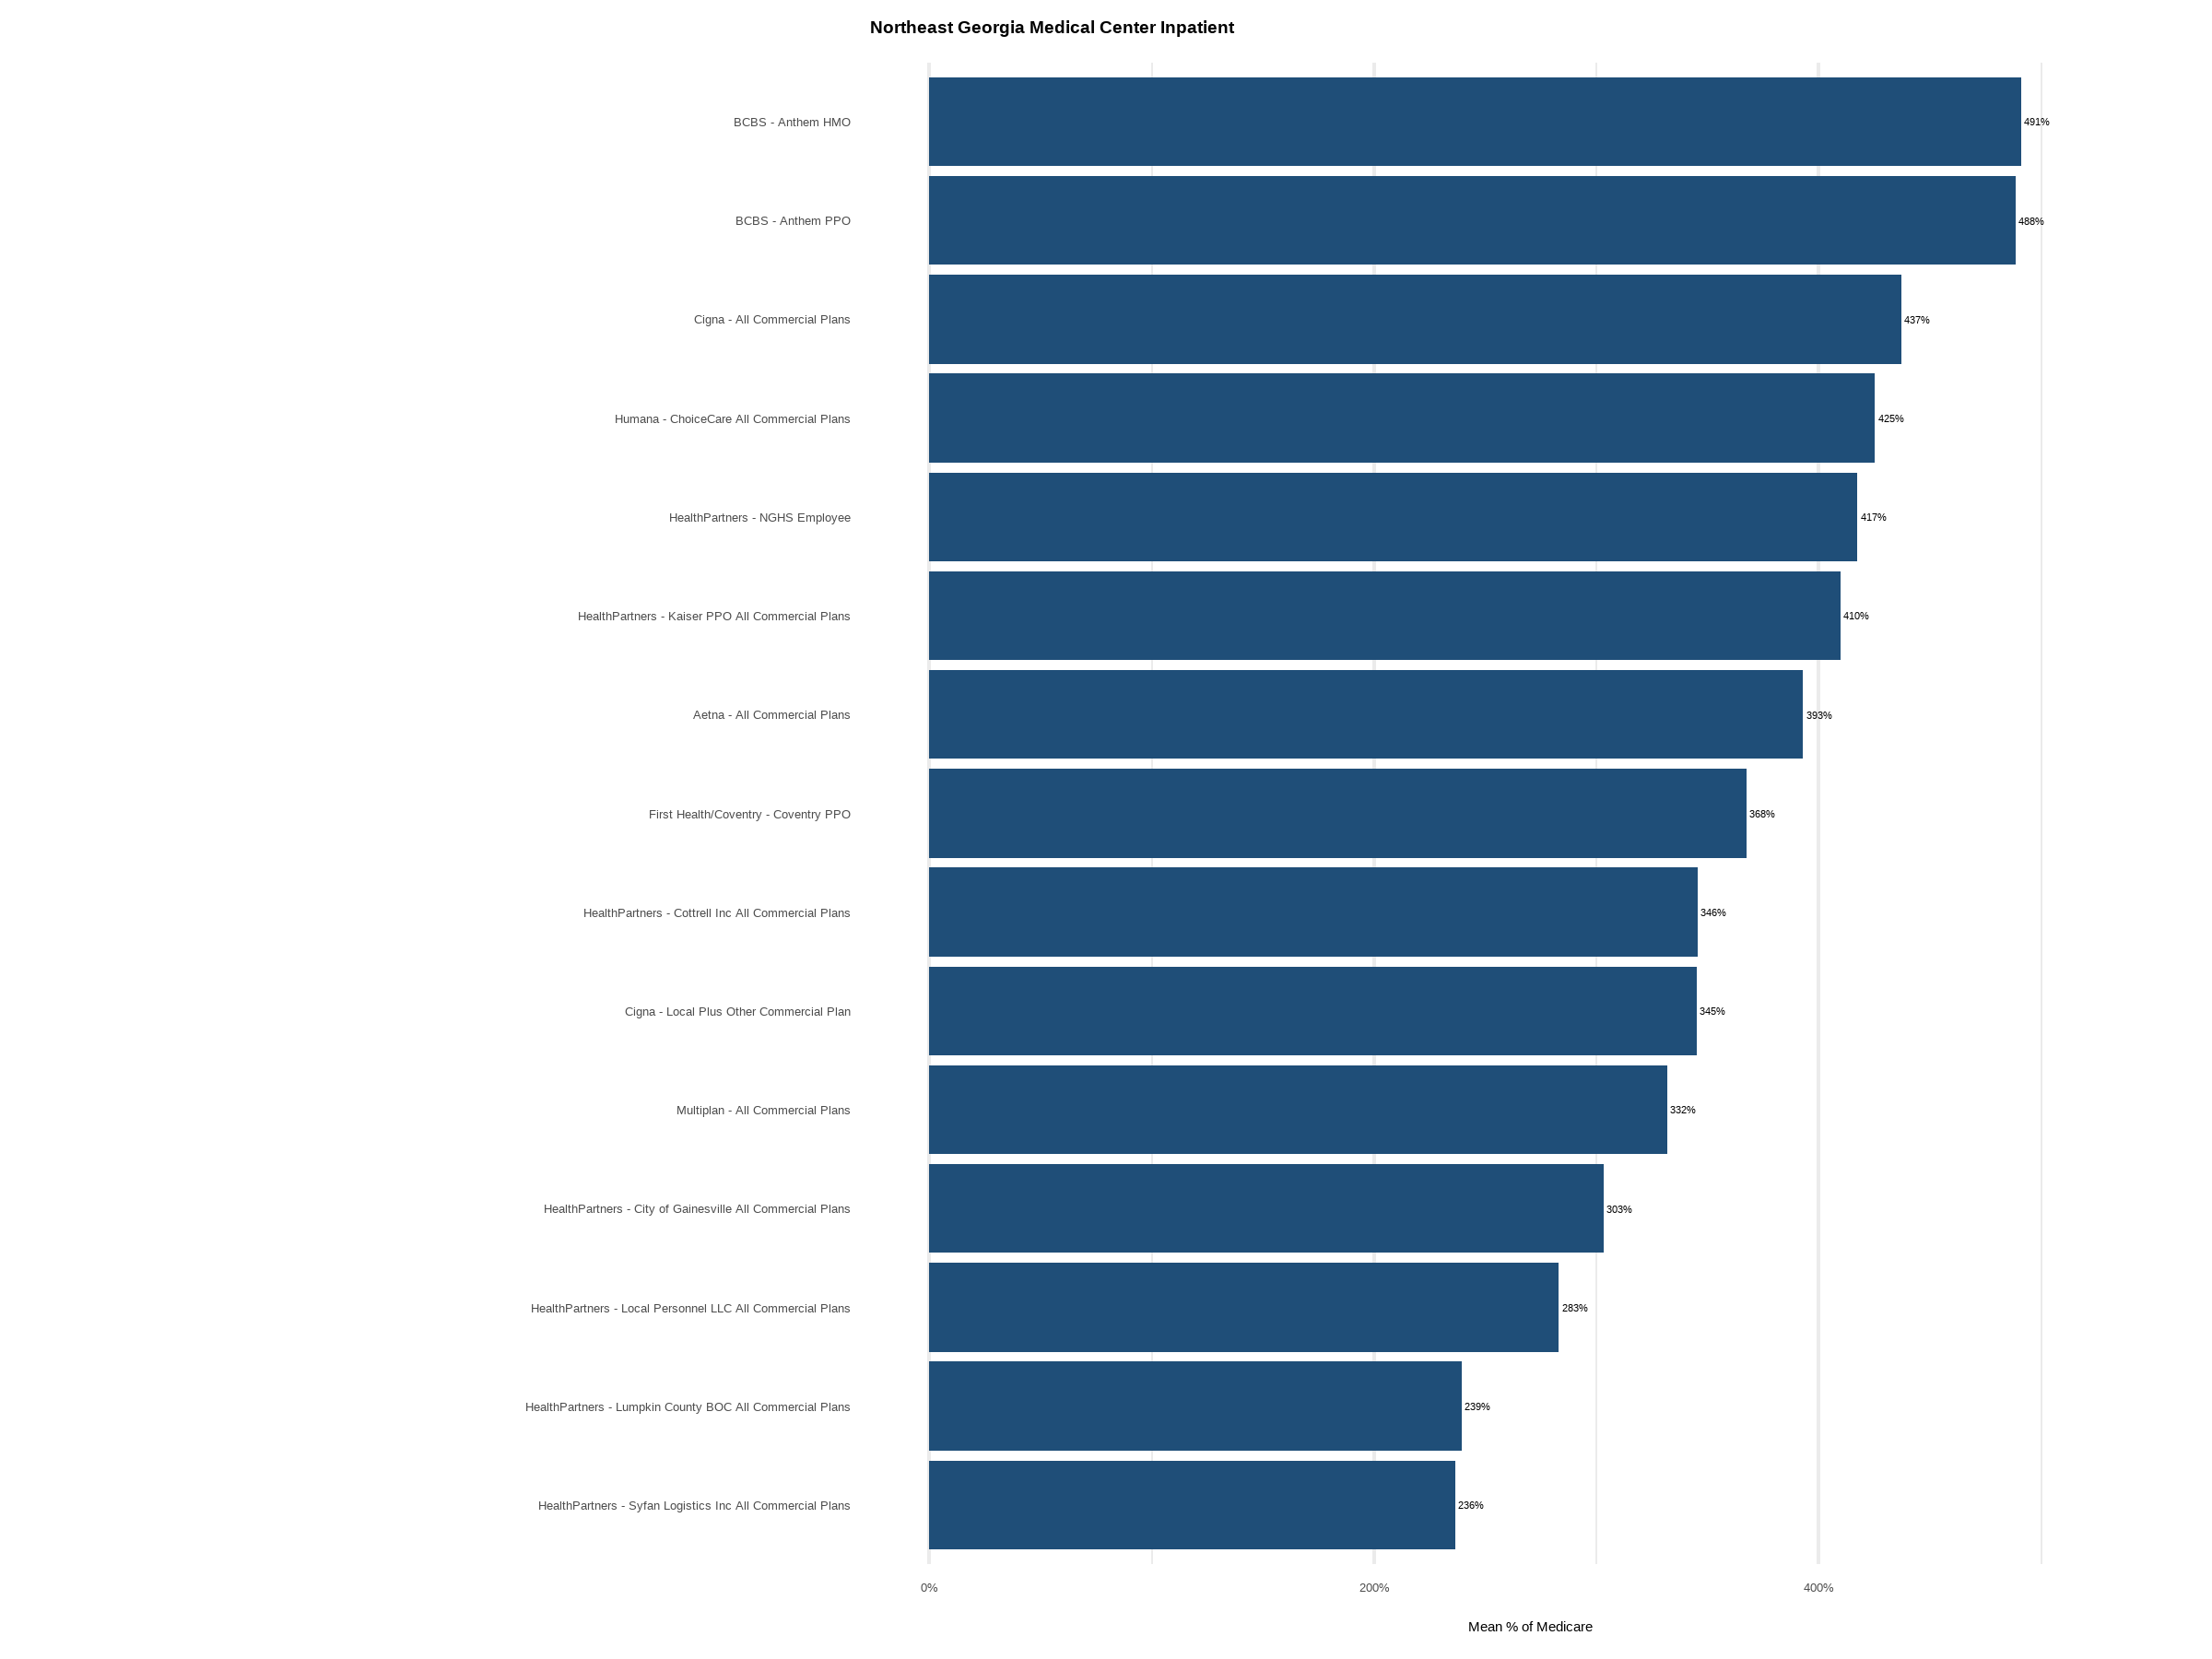
Payer | Plan | Sample Size | Unique DRGs | Mean % of Medicare | Median % of Medicare
BCBS | Anthem HMO | 373 | 373 | 491.09% | 466.11%
BCBS | Anthem PPO | 303 | 303 | 488.41% | 465.29%
Cigna | All Commercial Plans | 248 | 248 | 437.25% | 437.82%
Humana | ChoiceCare All Commercial Plans | 13 | 13 | 425.27% | 347.87%
HealthPartners | NGHS Employee | 131 | 131 | 417.42% | 380.89%
HealthPartners | Kaiser PPO All Commercial Plans | 5 | 5 | 409.84% | 392.66%
Aetna | All Commercial Plans | 256 | 256 | 392.95% | 359.72%
First Health/Coventry | Coventry PPO | 22 | 22 | 367.52% | 356.26%
HealthPartners | Cottrell Inc All Commercial Plans | 46 | 46 | 345.63% | 248.84%
Cigna | Local Plus Other Commercial Plan | 51 | 51 | 345.00% | 326.51%
Multiplan | All Commercial Plans | 123 | 123 | 331.84% | 257.65%
HealthPartners | City of Gainesville All Commercial Plans | 21 | 21 | 303.27% | 227.02%
HealthPartners | Local Personnel LLC All Commercial Plans | 5 | 5 | 283.08% | 258.34%
HealthPartners | Lumpkin County BOC All Commercial Plans | 14 | 14 | 239.45% | 222.39%
HealthPartners | Syfan Logistics Inc All Commercial Plans | 15 | 15 | 236.41% | 214.69%
Cigna | Connect HIX IFP Exchange | 214 | 214 | 226.84% | 158.43%
HealthPartners | Alliant All Commercial Plans | 281 | 281 | 218.39% | 149.46%
HealthPartners | Caresource Exchange | 6 | 6 | 195.79% | 204.15%
HealthPartners | Specialty Management Inc All Commercial Plans | 5 | 5 | 194.16% | 250.38%
UnitedHealthCare | Optum Community Care Network Government | 273 | 273 | 157.93% | 156.10%

